Cloud Responsibility
 |  | Cloud Responsibility Table

 | About the Document
Below you’ll find a responsibility table to visually offer reminders as to what action falls under whose jurisdiction

 | Preventing or detecting when a GCP account has been compromised
 | Preventing or detecting a privileged or regular GCP user behaving in an insecure manner.
 | Business continuity management (availability, incident response)
 | Protecting against GCP zero-day exploits and other vulnerabilities
 | Providing environmental security assurance against things like mass power outages, earthquakes, floods, and other natural disasters
 | Providing physical access control to hardware/software Configuring GCP Managed Services in a secure manner
 | Ensuring network security (DoS, man-in-the-middle (MITM), port scanning)
 | Ensuring custom applications are being used in a manner compliant with internal and external policies Updating guest operating systems and applying security patches
 | Restricting access to GCP services or custom applications to only those users who require it
 | Configuring GCP services (except gcp Managed Services) in a secure manner
 | Preventing sensitive data from being uploaded to or shared from applications in an inappropriate manner
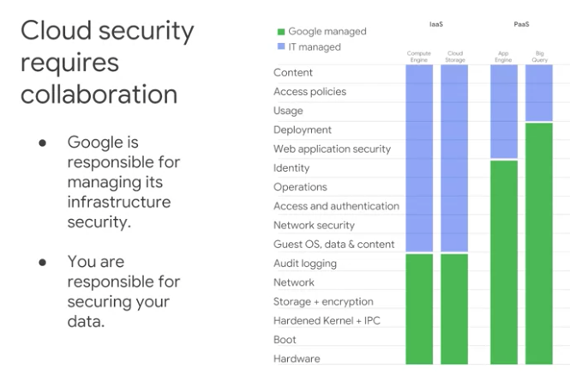
 | Database service patching

Legend
 | Customer

 | GCP

 | Both

